Progress
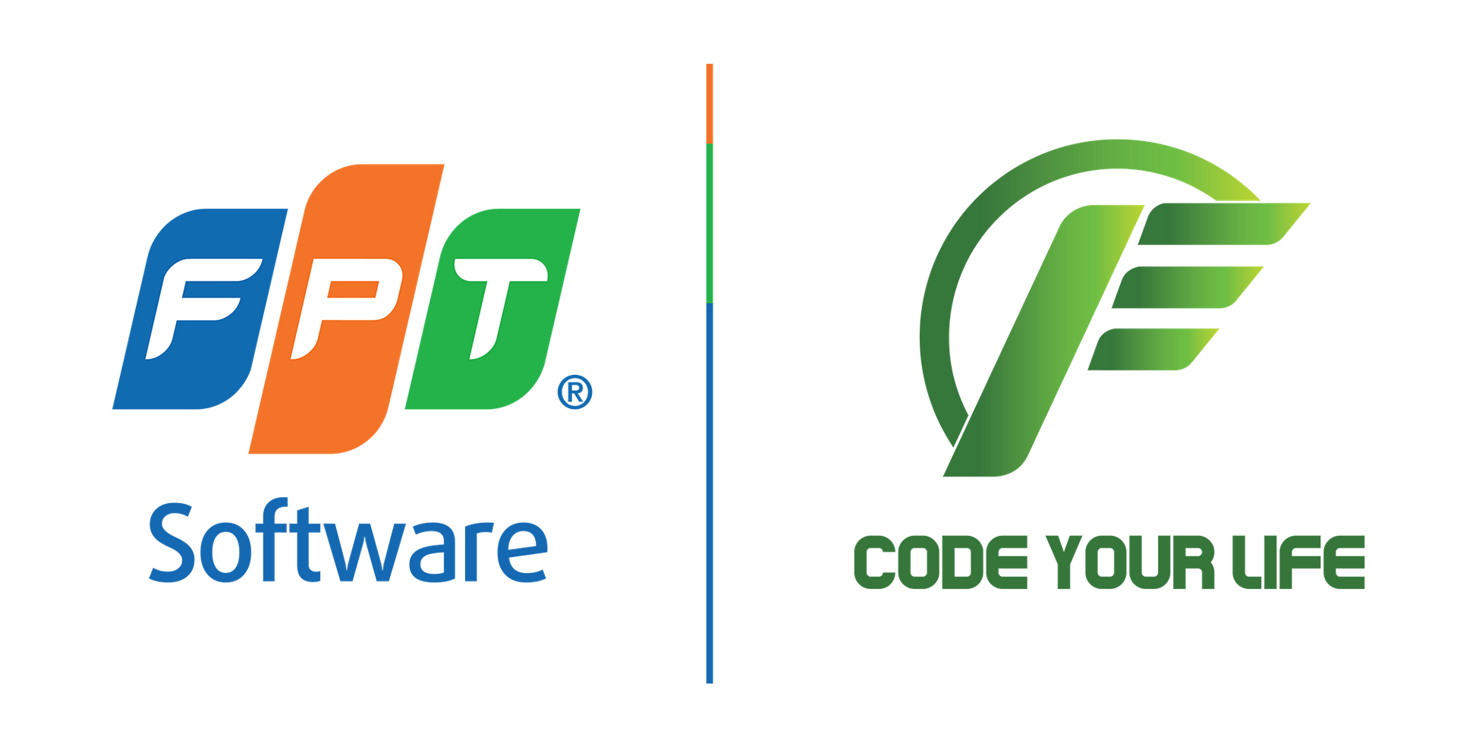 | INTERNSHIP - FPT ACADEMY Class: HCM23_CPL_React_03 Group: 01
Trello link: | trello.com
Timeline: | notion.site
Document link: | docs.google.com
Start date: | 2023-02-20
End date: | 2023-04-10

Member | Progress |  | Total task | Completed task
Thông |  | 76% | 17 | 13
Đạt |  | 86% | 14 | 12
Nhựt |  | 69% | 13 | 9
Khánh |  | 93% | 15 | 14
Duy |  | 85% | 13 | 11
Long |  | 7% | 15 | 1
SUM |  | 69% | 87 | 60

